Interesting Companies
Organization | Field | Founded | Funding | Description | Image
OffWorld | Asteroid mining | 2016 |  | Developing small, smart, semi-autonomous industrial robots to tackle offworld jobs, starting with resource exploration and mining on Earth, Moon, asteroids & Mars.
Made In Space | Additive manufacturing (3D printing) in space | 2010 |  | Developing technologies for in-space production and assembly of large structures. One of the projects is manufacturing optical fiber, which could really kickoff orbital industry.
BridgeSat | Optical ground station network | 2015 |  | Small from factor laser communication terminals at a reduced price compared to equivalent RF data throughput solutions. Developing CubeSat 0.3U terminal. Pay per bits.
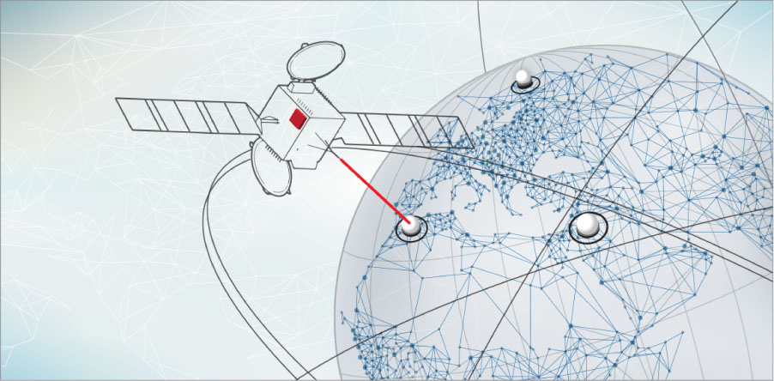
York Space Systems | Mass manufactured microsat platform | 2015 |  | Mass manufactured standardized spacecraft bus platform capable of supporting a wide breadth of applications without redesign. Orders already for 38 platforms.
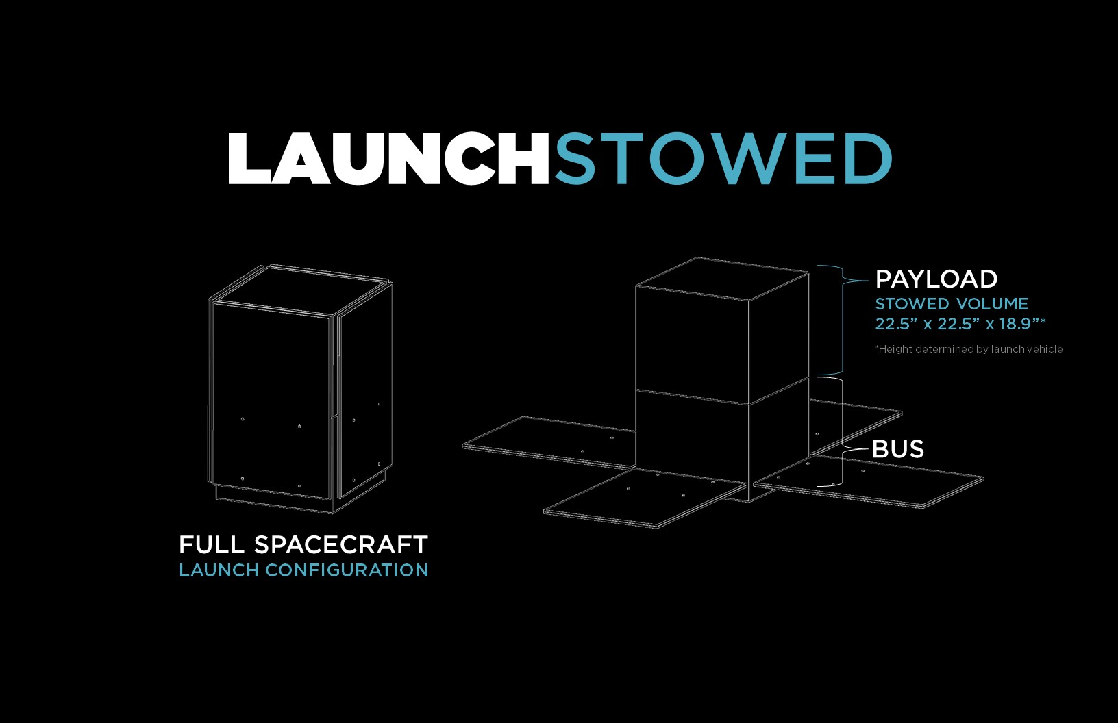
Astroscale | Space debris | 2013 | $67.7M | ADRAS 1 is a 90kg microsat carrying a 30kg catcher satellite. Will be used to remediate mid-to-large orbital debris starting from 2018.
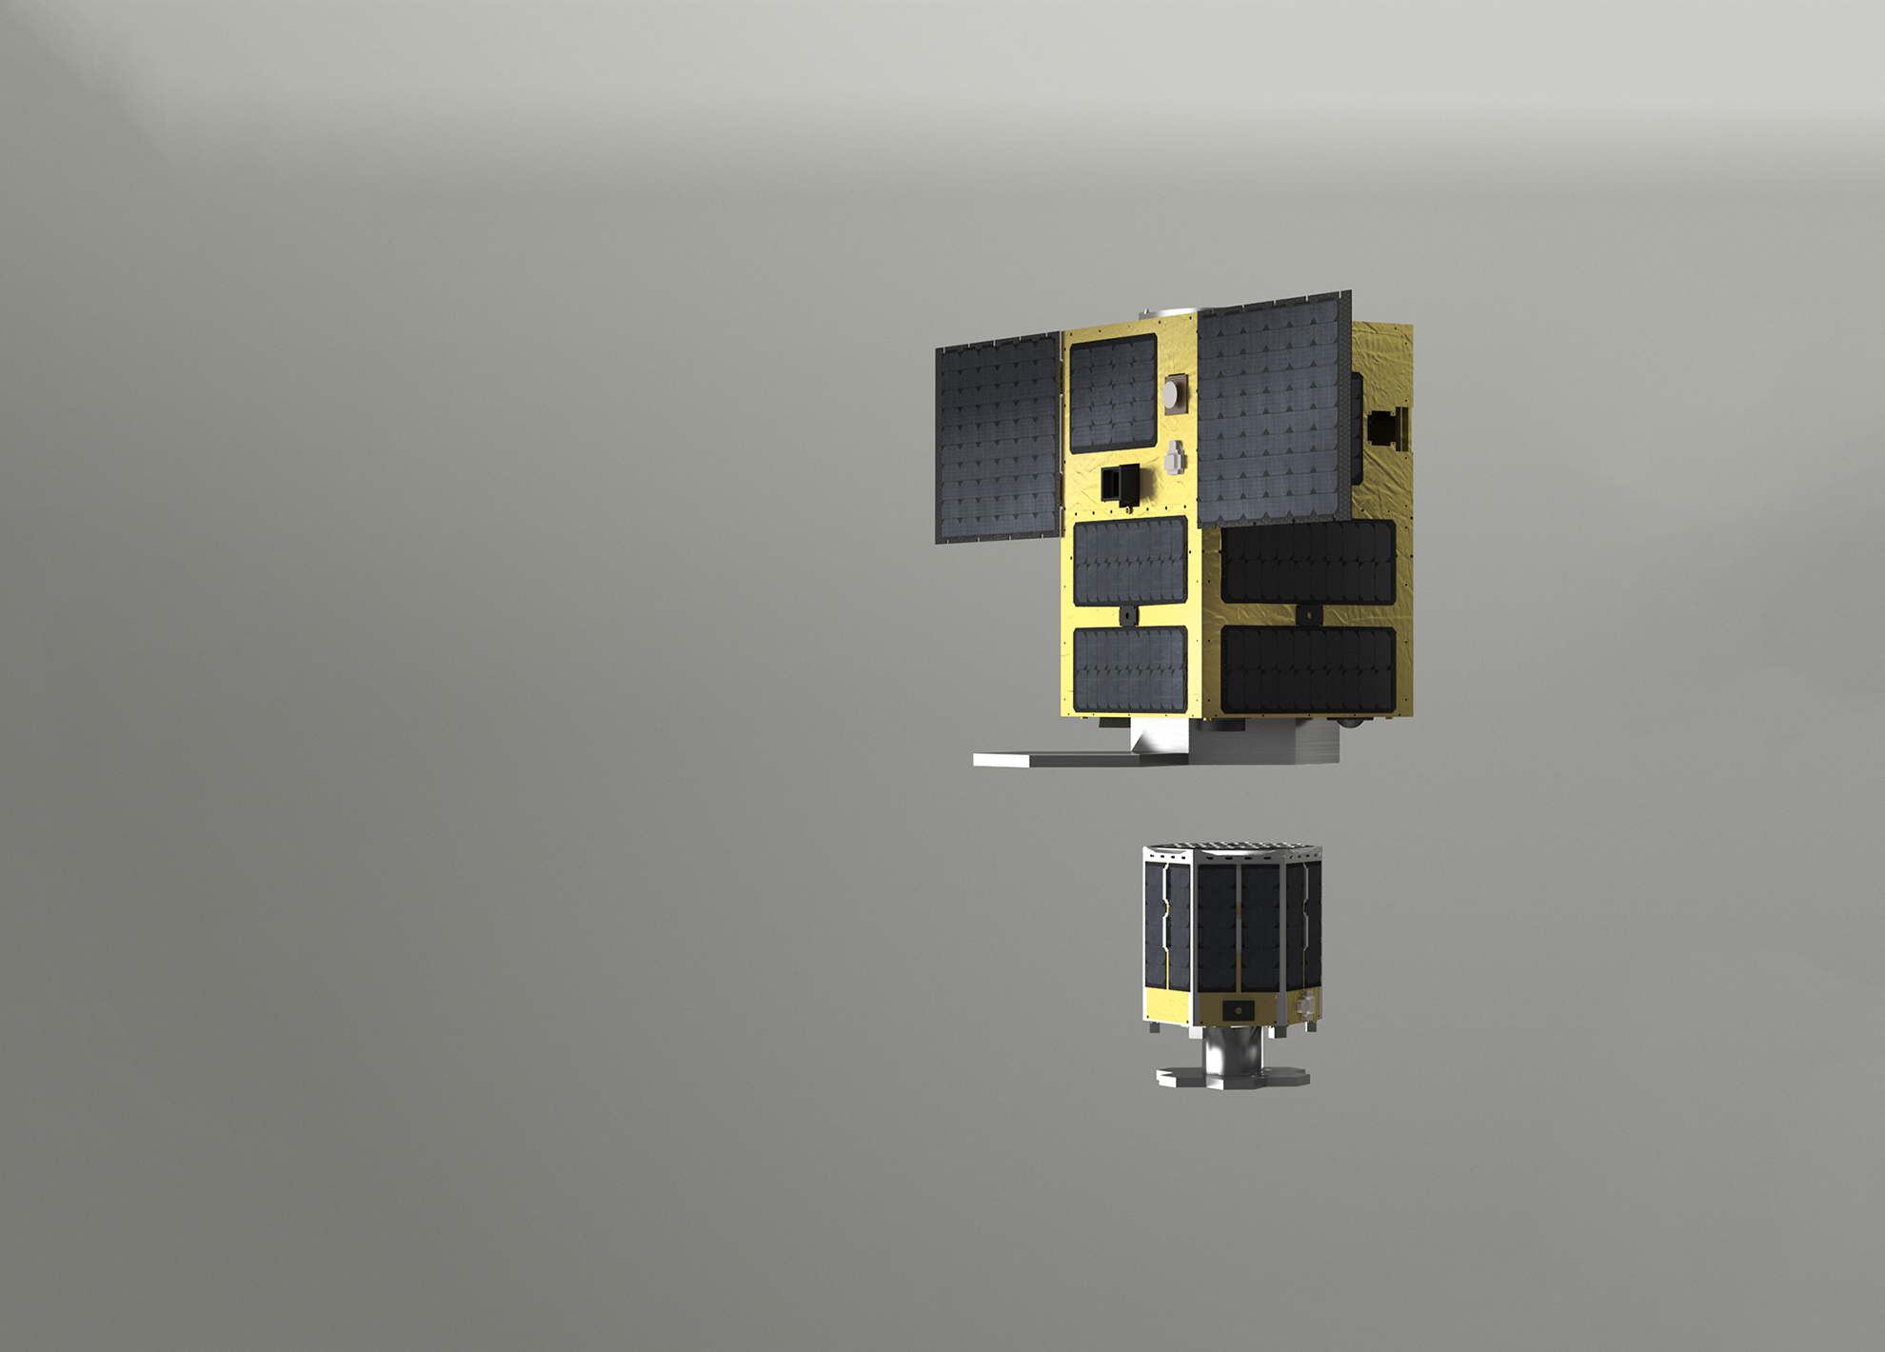
Effective Space | In-orbit servicing | 2013 |  | Deploying and operating a fleet of small spacecraft with a universal docking system.
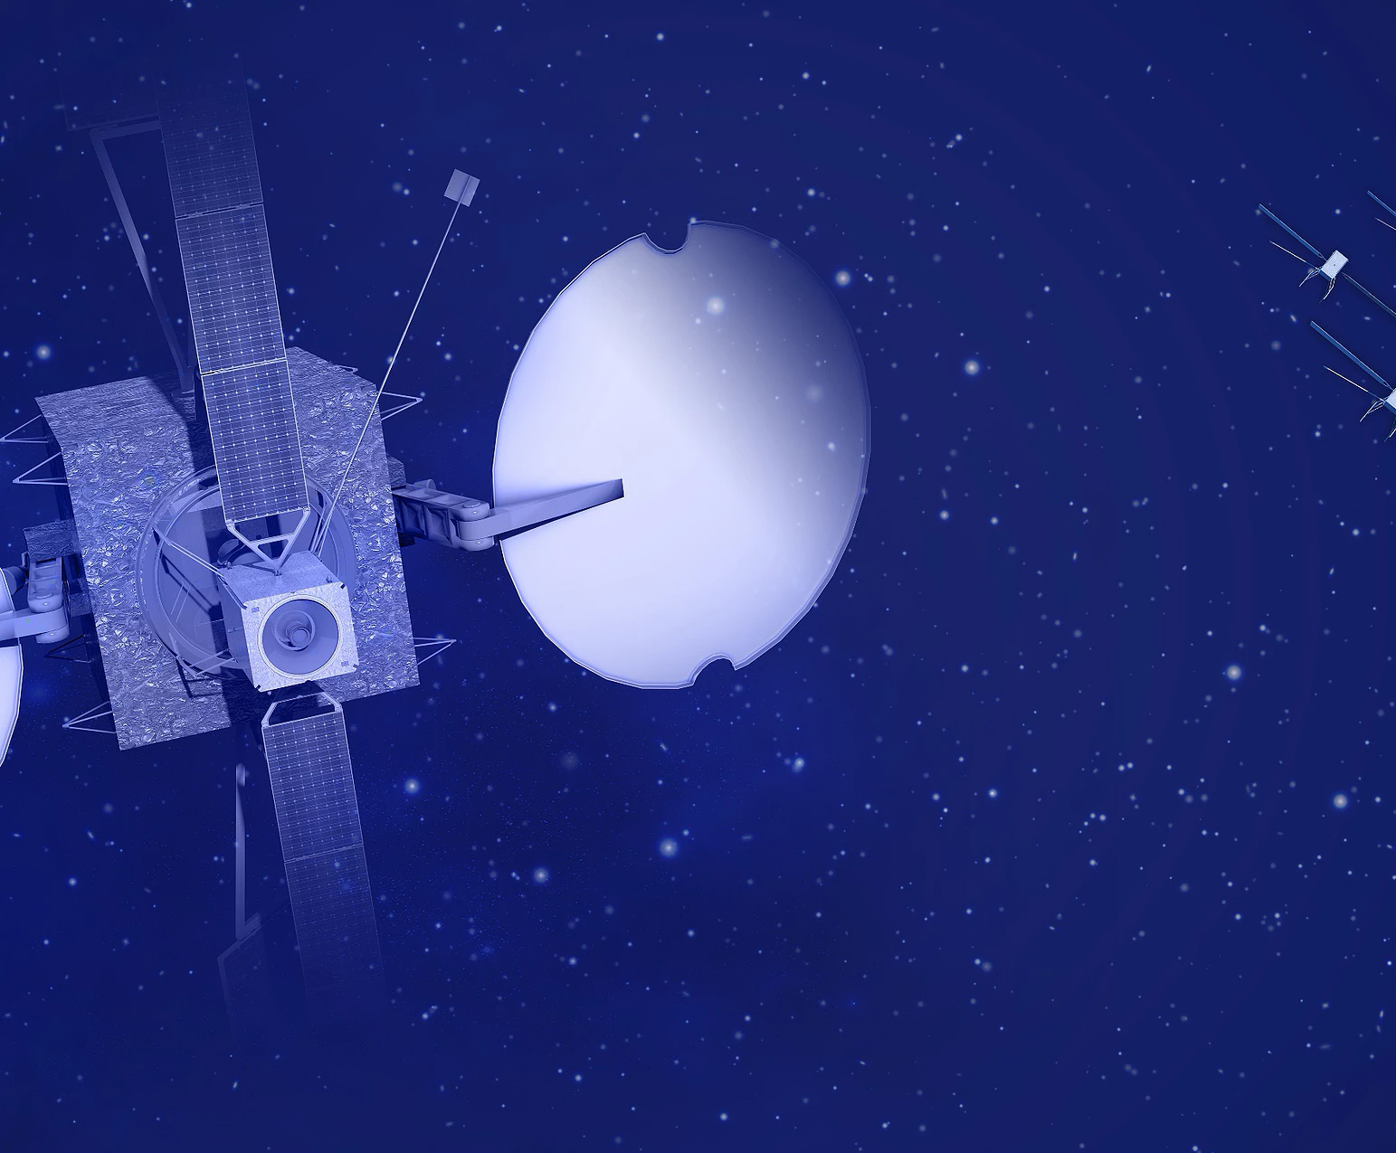
Magna Parva | In-space manufacturing | 2005 |  | Developing a patented in-Space manufacturing system that will provide a method of producing huge carbon composite 3D structures in space.
Bake In Space | Fresh food in space | 2017 |  | Aaddress the scientific and technical challenges relating to the production of fresh bread in space.
Pipeline2space | Launch | 2017 |  | Using RAM-Accelerator technology to enable projectiles to deliver payloads to space.
Neumann Space | Propulsion | 2015 |  | New kind of ion engine (that’s a kind of rocket), that has just broken the world record for specific impulse.
ispace | Transport to Moon | 2010 | $92.3M | Small, lightweight landers and rovers to establish a low-cost platform for scheduled transportation.
Moon Express | Transport to Moon | 2010 | $53M | Goal to establish a permanent presence and lunar prospecting at the lunar south pole by 2020.
Orion Span | Private space station | 2017 |  | World's First Luxury Space Hotel in orbit 200 miles above the Earth's surface launching in 2021.
Atomos | Commercial nuclear energy for space | 2017 |  | Nuclear fission reactors for long-duration and highly-demanding space applications.
Apollo Fusion | Commercial nuclear energy for space | 2017 | $18M | An electric propulsion system with best in class performance at a fraction of the size.
Vali Space | Collaboration platform for engineers | 2016 | $1.1M | Infrastructure for your engineering data.

